1. Title Page
Project Name: Instacart Grocery Basket Analysis
Date: 20.04.2023
Analyst Name: Antonina Masko

Contents:
Population Flow
Consistency checks
Wrangling steps
Column derivations
Visualizations
Recommendations

Data citation:

“The Instacart Online Grocery Shopping Dataset 2017”, was accessed from https://www.instacart.com/datasets/grocery-shopping-2017 on 27.03.2023.

The customer data set, as well as the “prices” column in the products data set, were both fabricated by CareerFoundry for the purpose of this course.

2. Population Flow
Title page

Population flow

Exclusion flag
Condition: max_order <
Obervations to be removed:
Final total count of order_products_all:

Orders_products_combined
Orders_products_merged
Orders_products_all

Total: 32'404'859
Total: 32'434'489
Total: 32'404'959

1.) The grey boxes in the first row of the population flow represent the original data sets as they were when you downloaded them. In the Total fields you need to add the count of the rows when you imported the data set into Jupyter.
2.) The second row of boxes (coloured) represents the data sets after you manipulated them, e.g., removed missing values and duplicates. In the Total fields you need to add the count of the rows after conducting these operations. This offers a visual oveview of how the data flows throughout the data consistency checks.
3.) The third row, where also the arrows are coloured, represents the merges you performed between the datasets. In the Total fields you need to add the count of the rows in the merged datasets, so that you end up with the final dataset (in the red box). Keep in mind the final dataset should be without exclusions (based on the exclusion flag).

3. Consistency checks
 |  |  |  | Title page
Consistency checks

Dataset | Missing values | Missing values treatment | Duplicates
orders | 206'209 days since previous order | not removed, as the missing values are important information | no duplicates
products | 16 product names | removed | 5 rows - removed
orders_products_prior | none | n/a | none
customers | 11'259 first names | not removed, as a person can have only last name | none

4. Wrangling steps
 |  |  |  | Title page
Wrangling steps

Columns dropped | Columns renamed | Columns' type changed | Comment/Reason
eval_set |  |  | no information comes from this column
 | order_dow : orders_days_of_week |  | more clear name of the column
 |  | order_id | changed to string, as it does not represent real numeric values
 |  | user_id | changed to string, as it does not represent real numeric values
 | days_since_prior_order : days_since_previous_order |  | more clear name of the column
 | First Name : first_name |  | more clear name of the column
 | Surnam : surname |  | more clear name of the column
 | Gender : gender |  | more clear name of the column
 | STATE : state |  | more clear name of the column
 | Age : age |  | more clear name of the column
 | n_dependants : number_of_dependants |  | more clear name of the column
 | fam_status : family_status |  | more clear name of the column
first_name |  |  | PII concern
surname |  |  | PII concern

5. Column derivations
 |  |  |  | Title page

Column derivations and aggregations

In this tab you should add tables below that the frequences of flags/label variables that you produced after deriving them. NB: don't do this for continuous variables, only for flags.
Dataset | New column | Column/s it was derived from | Conditions
orders products merged | price_range | prices | >15; <=15 & >5; <=5
orders products merged | busiest_day | orders_day_of_week | Saturday - busiest day, Wednesday - least busy day, other days - regularly busy
orders products merged | busiest_days | orders_day_of_week | Saturday & Sunday - busiest day, Wednesday & Tuesday - least busy day, other days - regularly busy
orders products merged | busiest_period_of_day | order_hour_of_day | Most orders: 10-15, Fewest orders: 0-5, Average orders: 6-9 & 16-23
orders products merged | loyalty_flag | max_order | >40: loyal customer; <=40&>10: regular customer; <= 10: new customer
orders products merged | spending_flag | mean_spend | <10: low spender; >=10: high spender
orders products merged | frequency_flag | median_order_frequency | >20: non-frequent customer; >20 & <=20: regular customer; <=10: frequent customer
instacart | region | state | states divided into 4 regions: Northeast, Midwest, South and West
instacart | activity_flag | max_order | <5: low activity customer; >=5: high activity customer
instacart | age_group | age | - 18-26 - Gen Z - 27-42 - Millennials - 43-58 - Gen X - 59-77 - Boomers - 78-81 - Post War
instacart | income_group | income | - Low income - less then 52'200 - Middle income - 52'200 - 156'600 - Upper income - more than 156'600
instacart | order_time | order_hour_of_day | - morning (6-11) - afternoon (12-17) - evening (18-23) - night (0-5)
instacart | week_day | orders_day_of_week | - weekdays (Mon-Fri) - weekends (Sat-Sun)

6. Visualizations
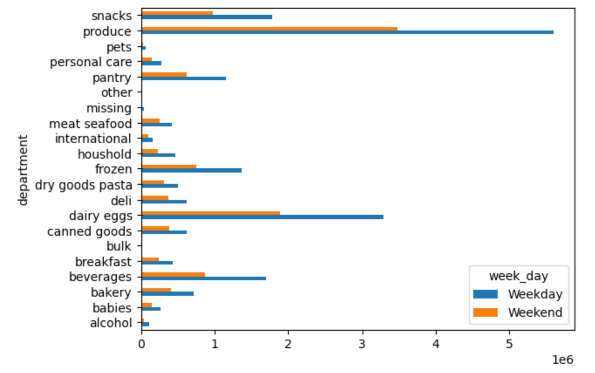
 |  |  |  | Title page

Visualisations

In this tab you should include all the visualtions from Exercises 4.9 and 4.10, alongside the questions from the project brief that they answer. Include any commentary on the relationship between different variables.

1. Bar chart orders by days of week


 | The chart represents how many orders are placed on each day of the week. We see that the most orders are placed on Saturday and Sunday, while the least on Tuesday and Wednesday. Legend: 0 = Saturday 1 = Sunday 2 = Monday 3 = Tuesday 4 = Wednesday 5 = Thursday 6 = Friday


2. Histogram for price frequency order (bin 70)

 | This chart shows how many orders are placed for products with different prices. We see that the products below 15 are ordered most frequently.

3. Histogram number of orders per hour of the day


 | The histogram shows the frequency of the orders per hour of the day. We can easily see that the highest number of orders are placed between 9h and 16h. Customers place the least orders between 0h and 6h. Below is shown a table with the exact order numbers per hour.

4. Bar chart of order numbers by loyalty of the customers

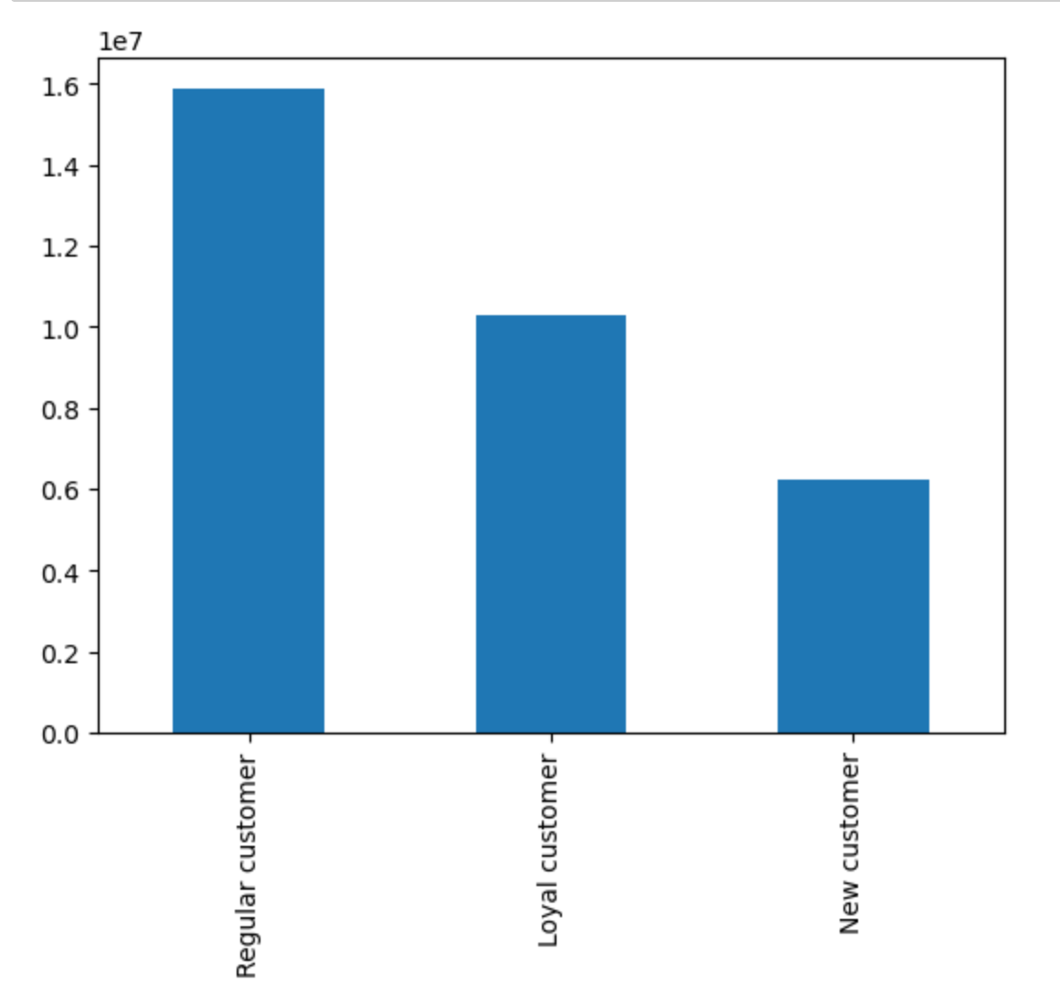 | There are 15'876'776 orders placed by regular customers, 10'284'093 by loyal customers and 6'243'990 by new customers.

5. Line chart showing prices of products purchase based on the hour of the order
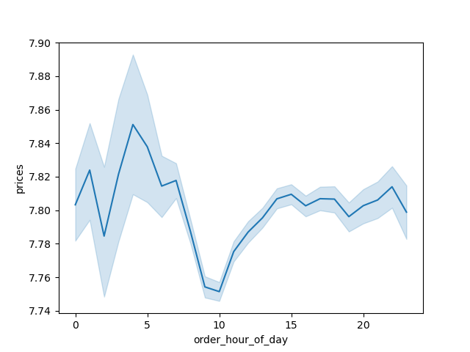

 | We see that the lowest prices are around 9-10h, which makes sense, as at this times there are the highest number of orders placed, making the average price low. On the contrary, during the night hours (0-6h) the average prices are high, which can be driven by the small number of orders places. We can assume that the small number of customers placing orders during the night order more expensive products on average.

6. Line chart showing number of children in relation to the age of the customer


 | The line chart shows the number of dependents per customer by their age. From the line chart we cannot see any particular pattern. It seems there is no correlation between age of the customers and the number of their dependents.

7. Scatterplot of income level by age of the customers


 | The scatterplot shows the income levels by age of the customers. There seems to be a slight positive correlation between the income and the age. The exact number would have to be calculated. However, the majority of the income is below 200'000 for all age groups and below 300'000 for customers above 40. As seen before, the minority of customers are earning more than 300'000 (outliers).

8. Spending habits by US region
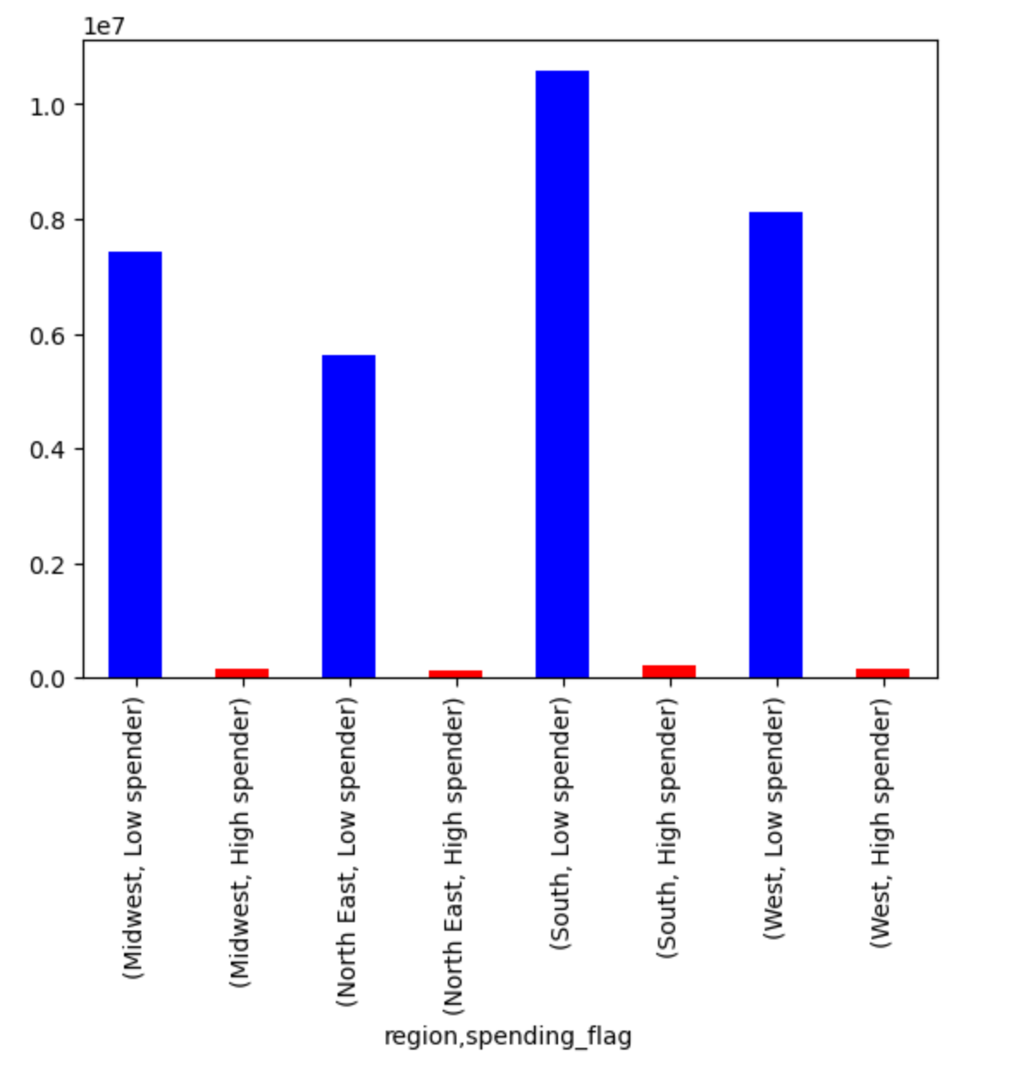
 | We can see that only about 2% of orders were placed by high spending customers. There is no particular difference between the regions in this case. The highest number of orders were placed in South and the lowest in North East.

9. Number or orders placed by customers per age group
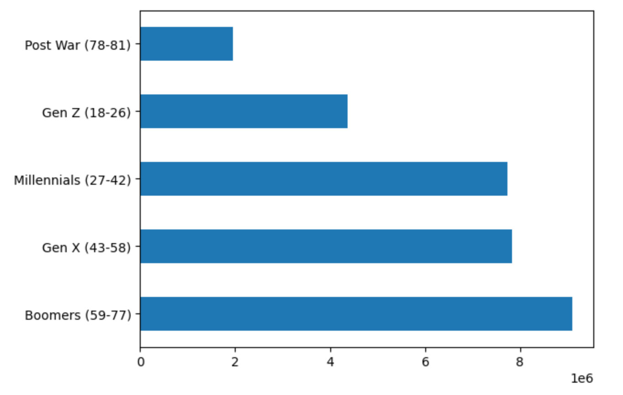
 | We see that the generation of Baby Boomers (aged 59-77 in 2023) has placed the most orders, followed by Gen X (aged 43-58 in 2023) and Millennials (aged 27-42 in 2023). Surprisingly, the youngest generation is not placing so many orders using the app, as the older adults and seniors. We need to keep in mind that the Post War generation consists of only customers aged 78-81, making this group quite small. Recommendation: Instacart marketing team should target their advertisement to the Gen Z customers, so that they place more orders using the app and to attract more of new customers.

9. Number or orders placed by customers per age group
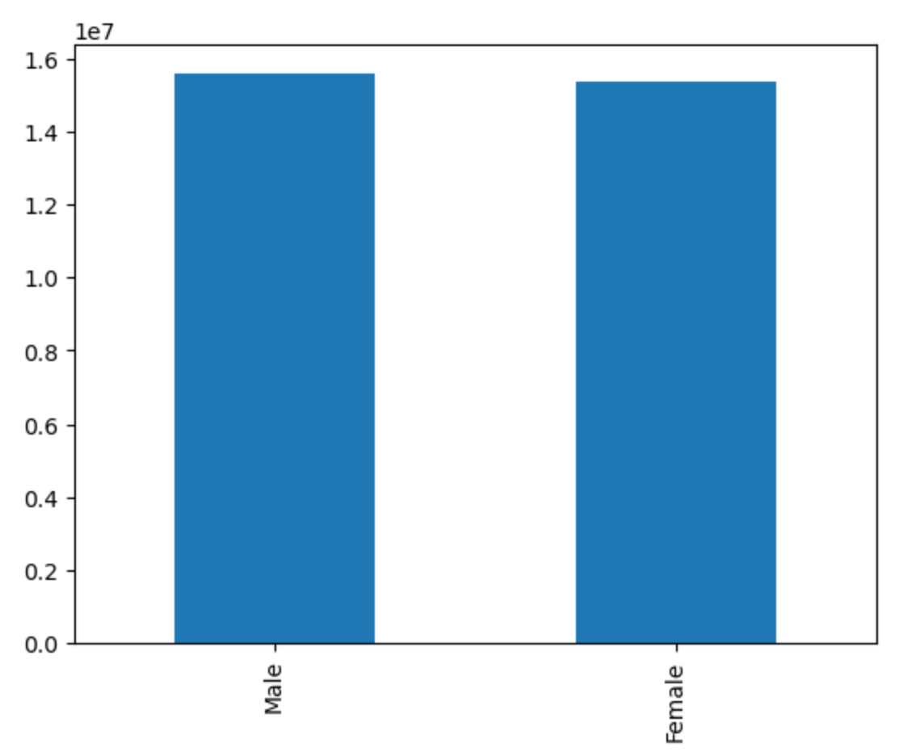

 | There is no difference in consumer behavior in different number of placing the orders based on the gender.

10. Number of orders placed by customers in different income group
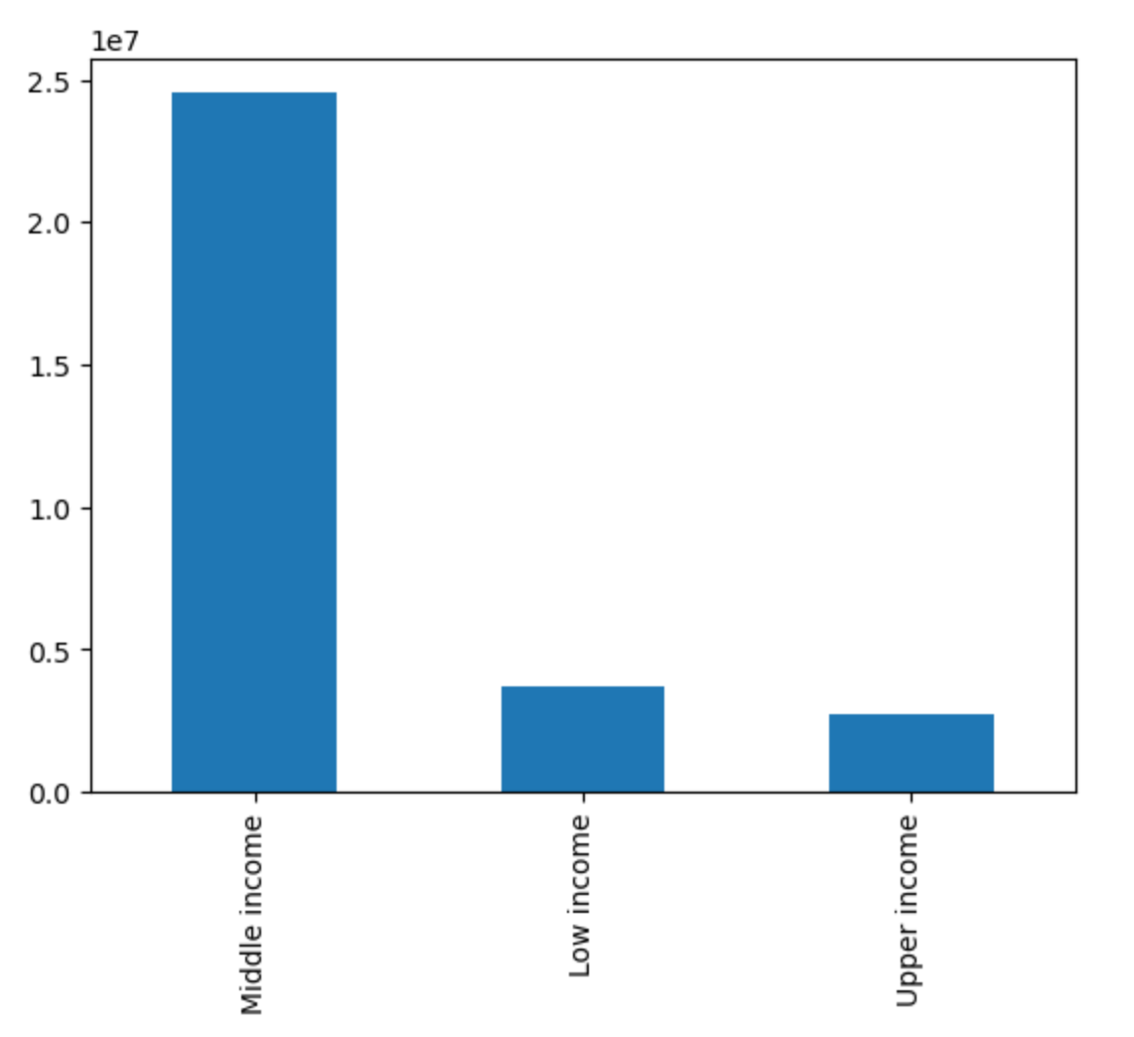

 | The biggest number of orders were placed by customer with middle income (between 52'200 and 156'600. Customers with low and upper income have place similar number of orders.

11. Number of orders placed by customers per family status
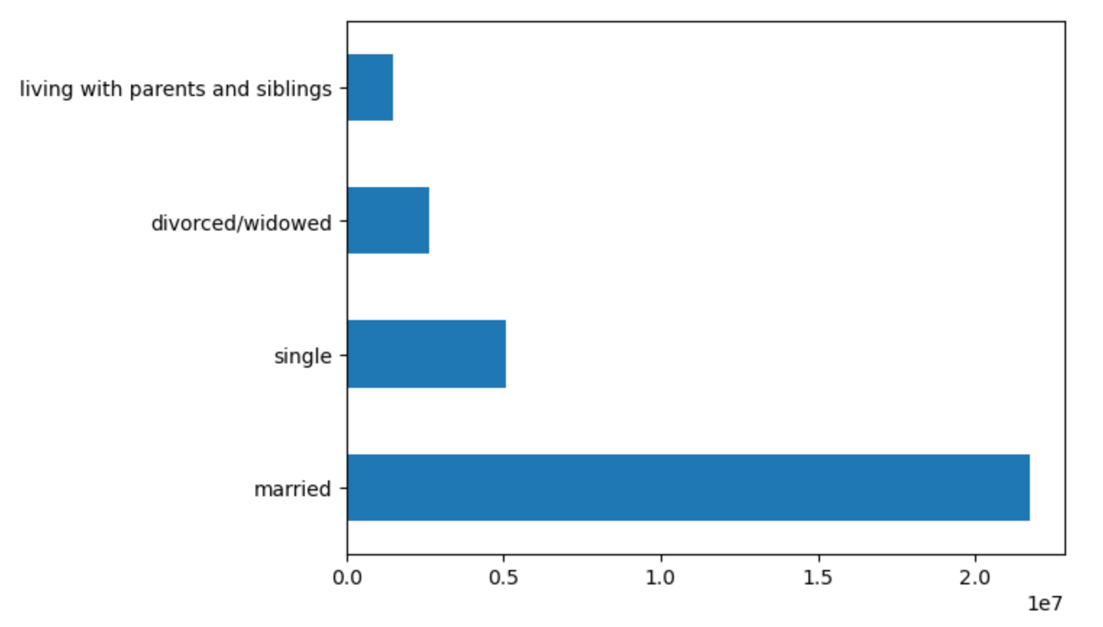
 |  |  | We see that the highest number of orders were placed by married customers (70.2% of orders), followed by single customers (16.5% of orders).

12. Number of orders placed by customers per number of children
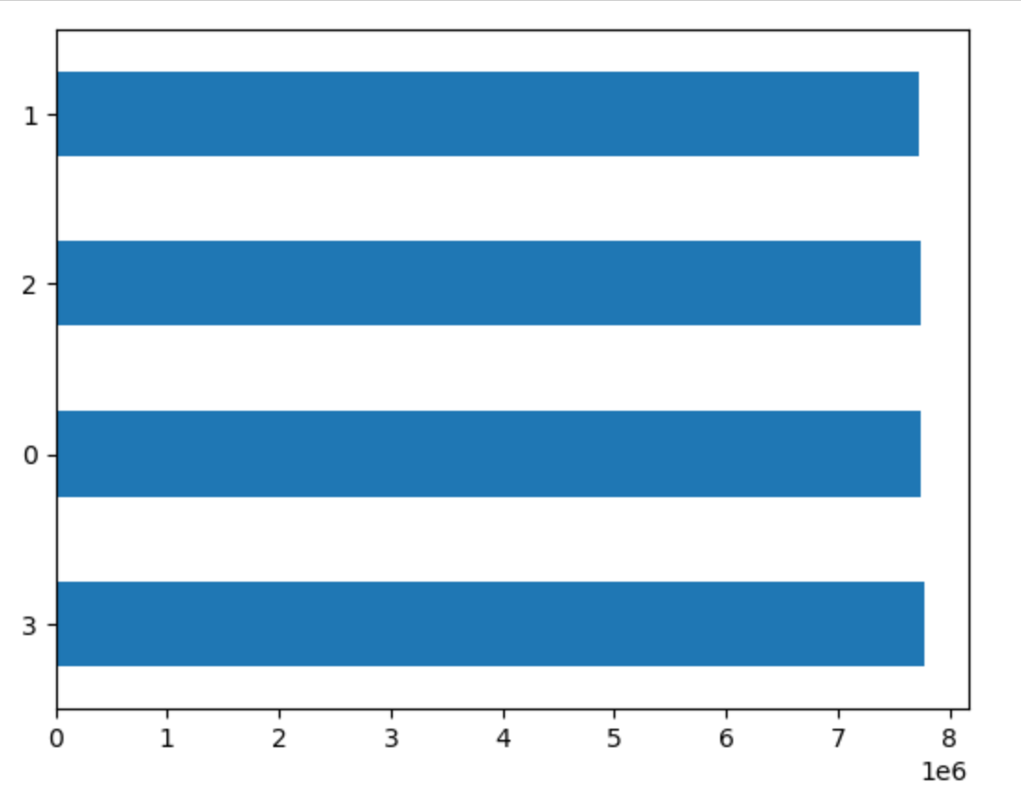
 | There is no difference in the number of orders placed by customers in relation to how many dependents they have.

12. Number of orders placed by customers by time of day
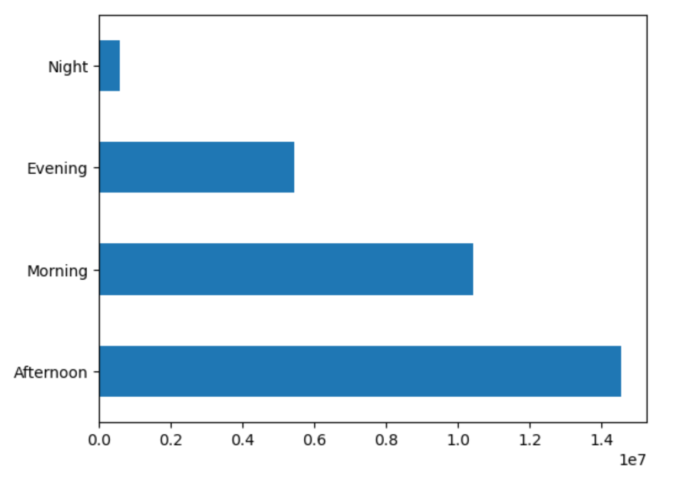
 |  | Almost half of the orders (47%) is placed in the afternoon (between 12h and 18h), followed by orders placed during morning hours (between 6h and 12h) which account for 33.7%.

12. Number of orders placed by customers by day of the week
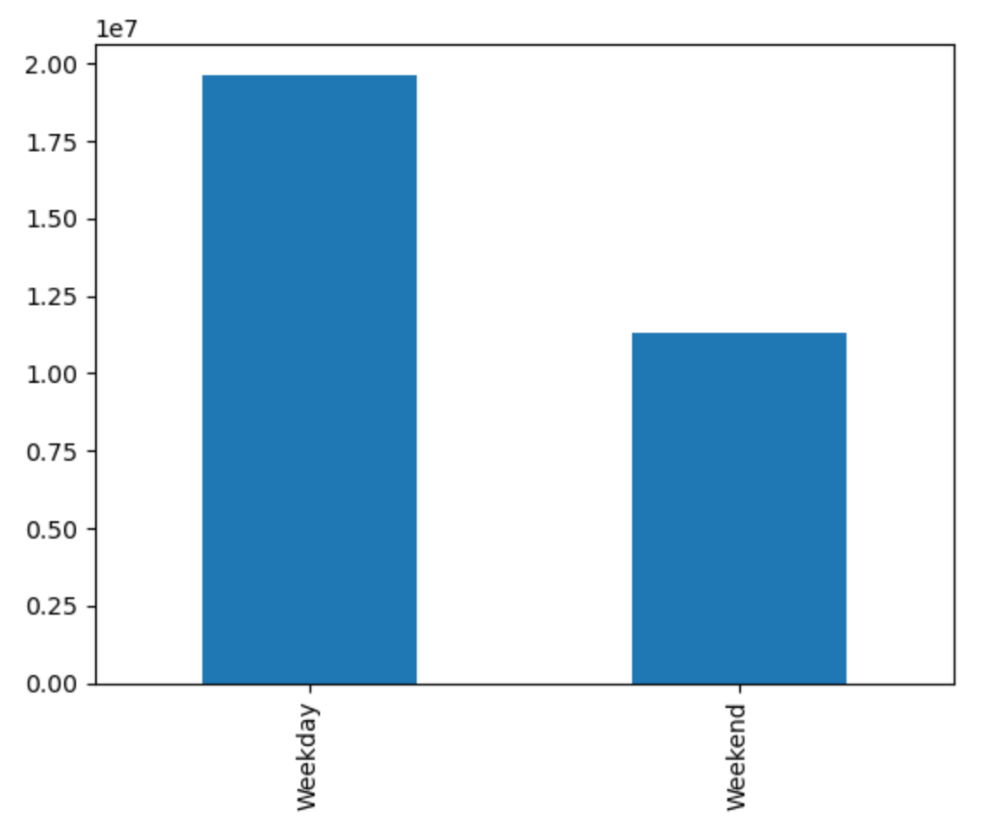
 | Majority of orders (63.4%) is placed during the week (from Monday to Friday), while the remaining orders (36.6%) are placed during weekend. When we calculate the average order per day, we get 3.9 million orders during the week and 5.7 million orders during the weekend. So even though in total numbers, the weekend orders seem smaller, in reality, more orders per day are placed actually during Saturday and Sunday.

13. Number of orders placed by customers by age and region
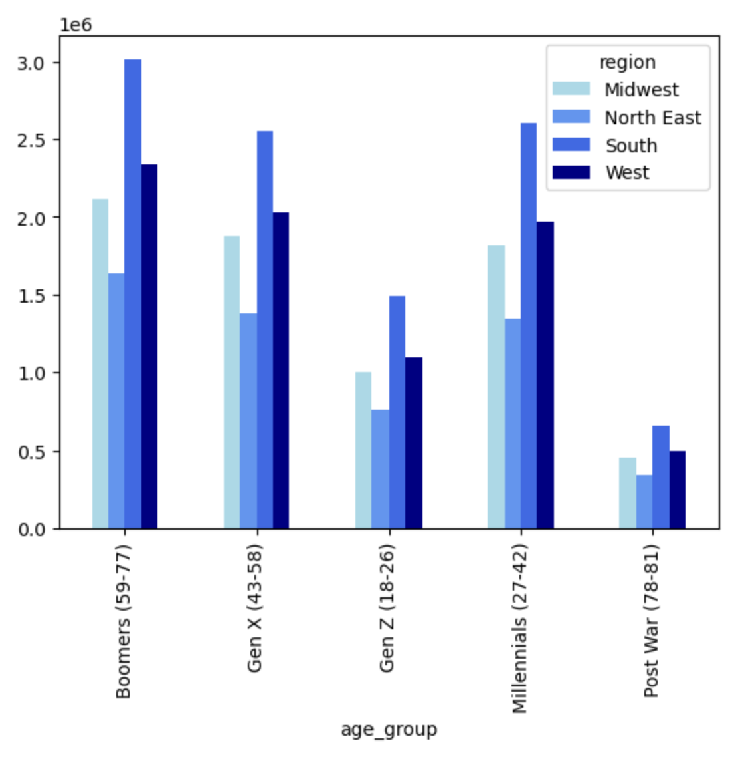
 | The split of orders of the customers of different age groups is similar in each or the regions. We see that the region with the highest number of orders is South, and the lowest number is North East.

14. Number of orders placed by customers by gender and region
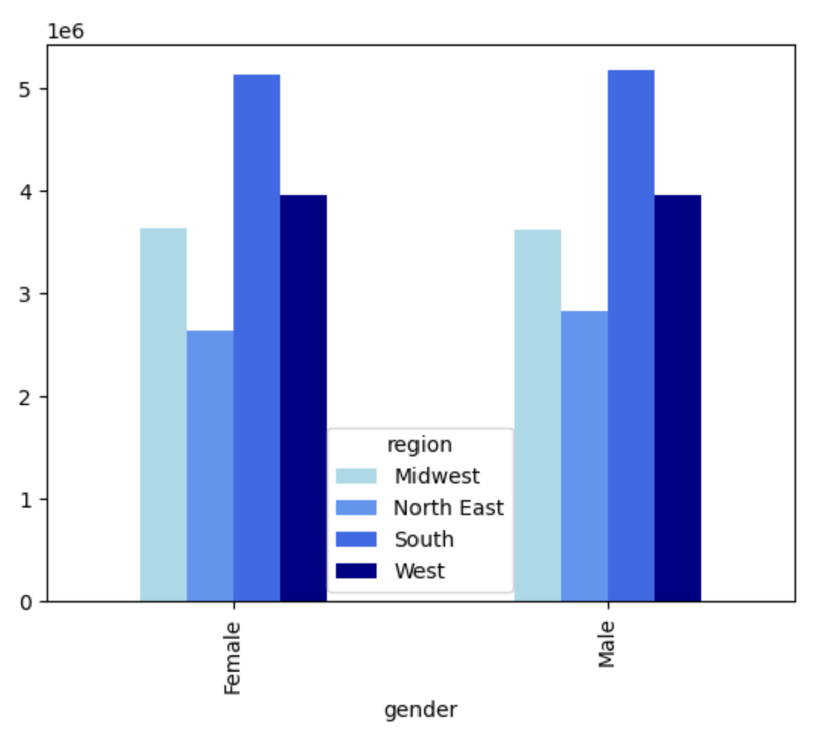
 | The split of orders of the male and female customers is similar in each or the regions. We see that the region with the highest number of orders is South, and the lowest number is North East.

15. Number of orders placed by customers by income and region
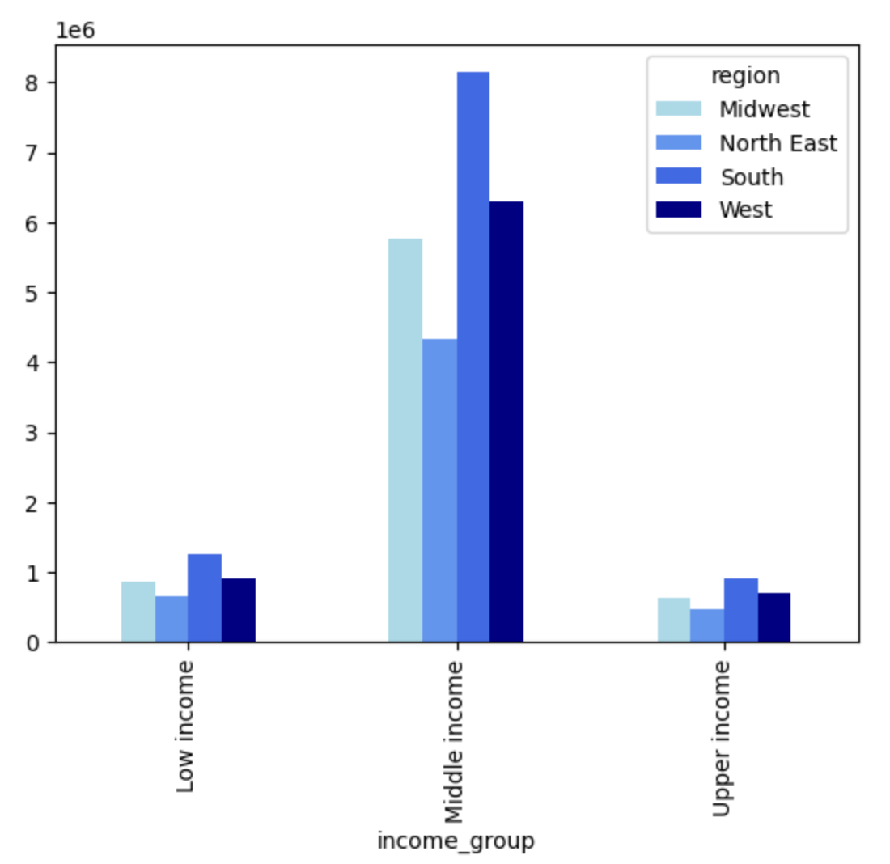
 | The split of orders by income of customers is similar in each or the regions. We see that the middle income customers place the highest number of orders

16. Number of orders placed by customers by family status and region
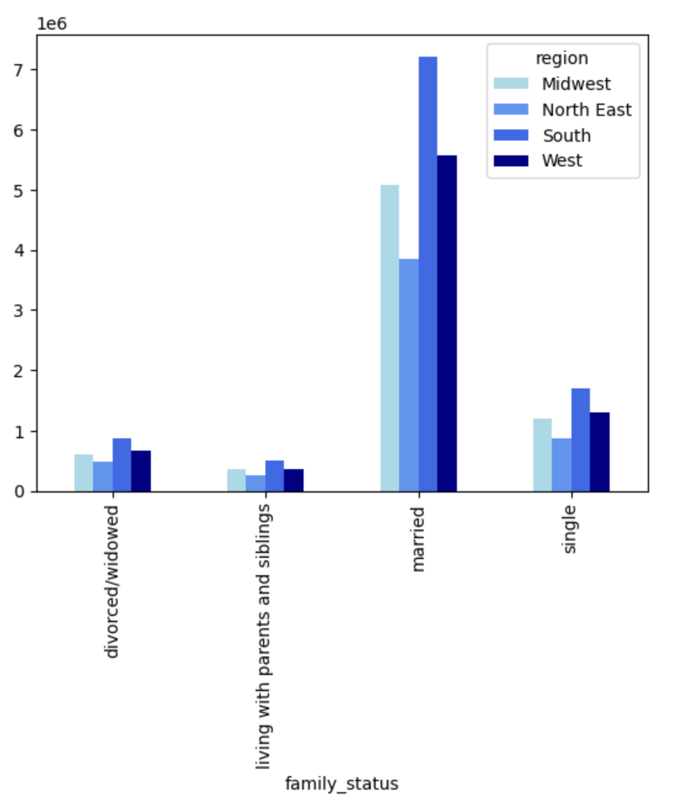
 | The split of orders by customers with different family status is similar in each or the regions. We see that the married customers place the highest number of orders

17. Number of orders placed by customers by number of children and region
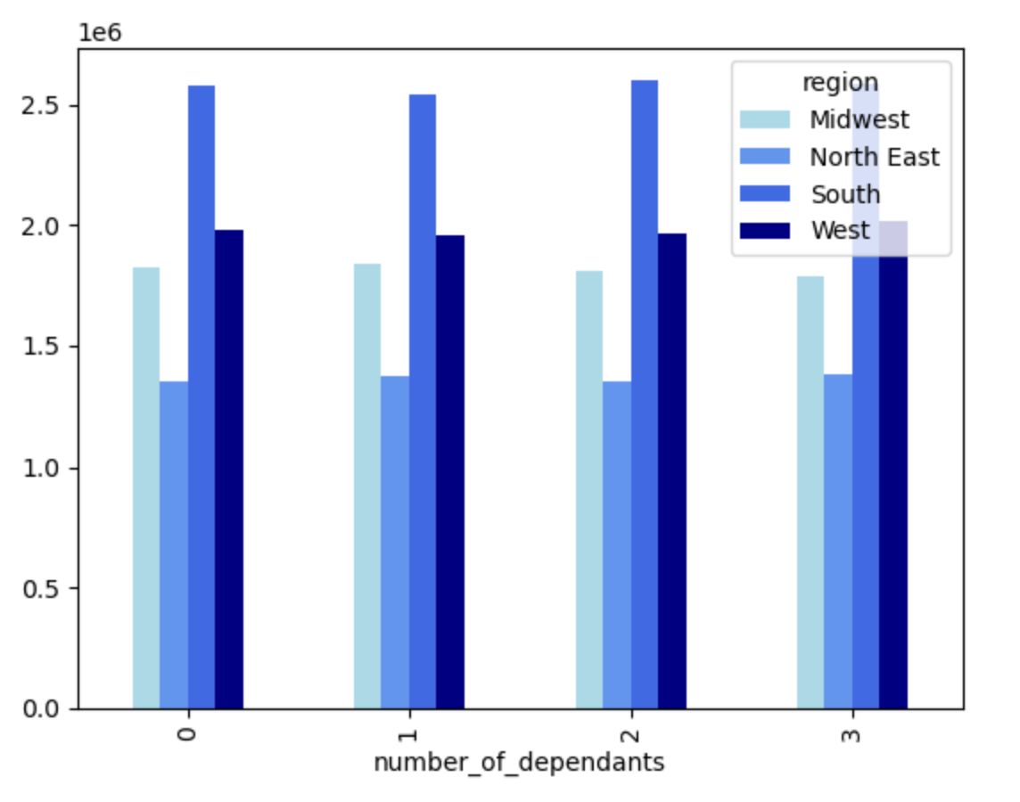
 | There is no difference in order numbers based on the number of the children.

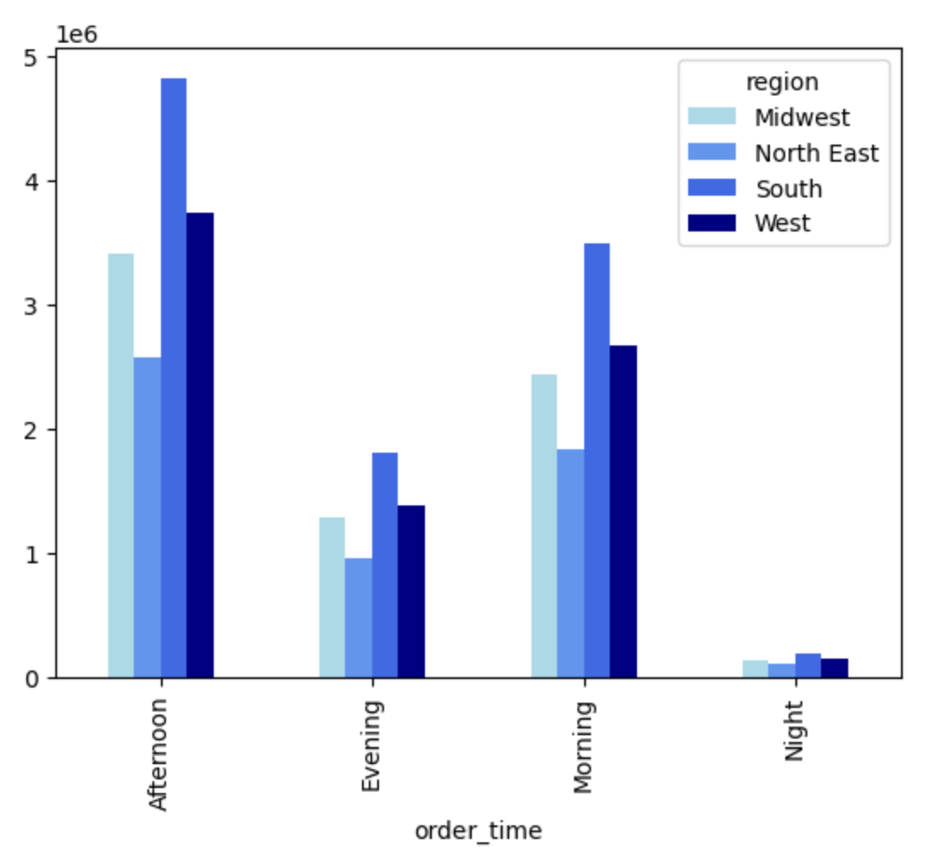
18. Number of orders placed by customers by different time of day and region

19. Number of orders placed by customers by different week days and region
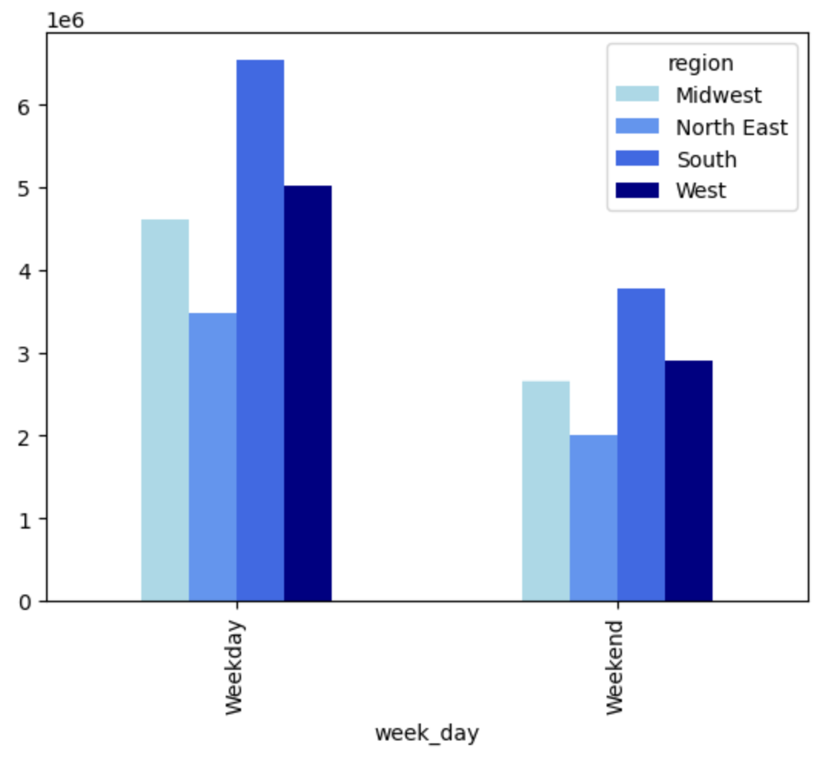

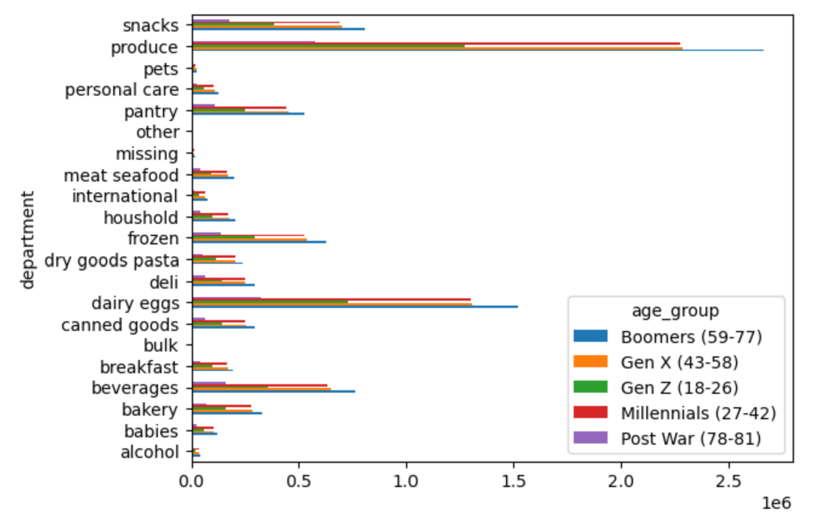
20. Number of orders placed by customers by department and age
 |  | We see that the produce and dairy/eggs departments are the two most popular ones, especially among the Baby Boomers, Gen X and Millennials generations.

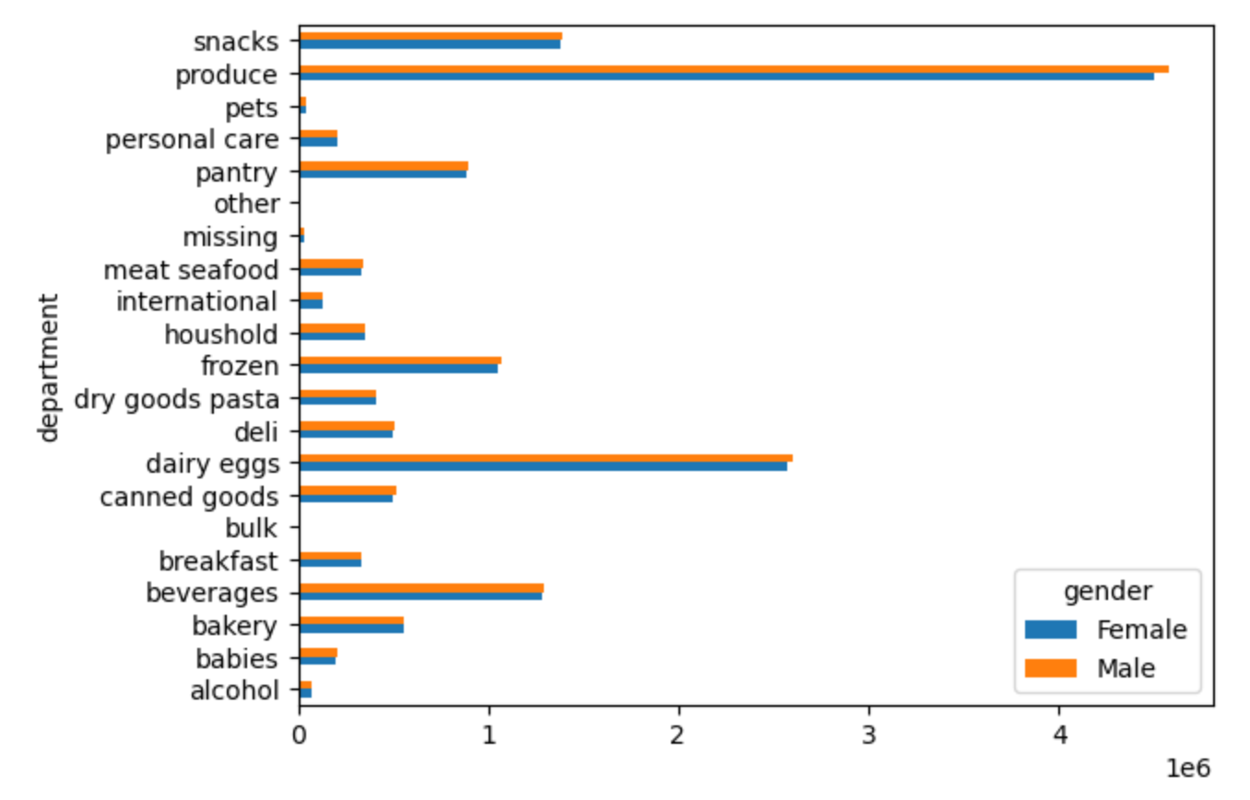
21. Number of orders placed by customers by department and gender

22. Number of orders placed by customers by department and income
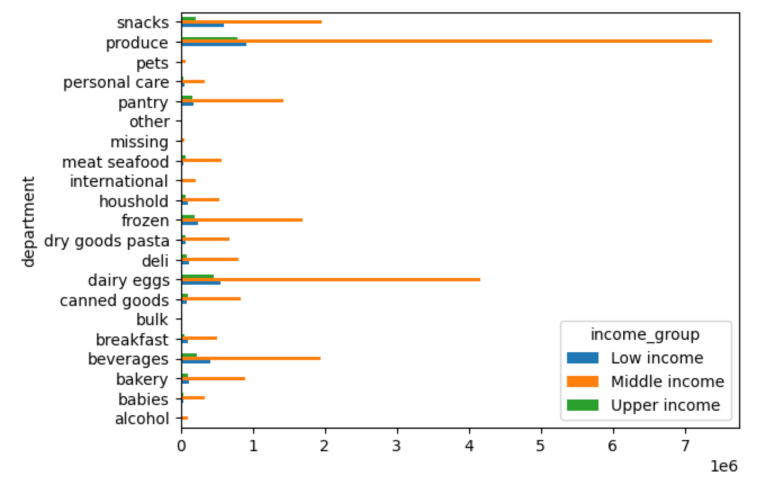

23. Number of orders placed by customers by department and family status
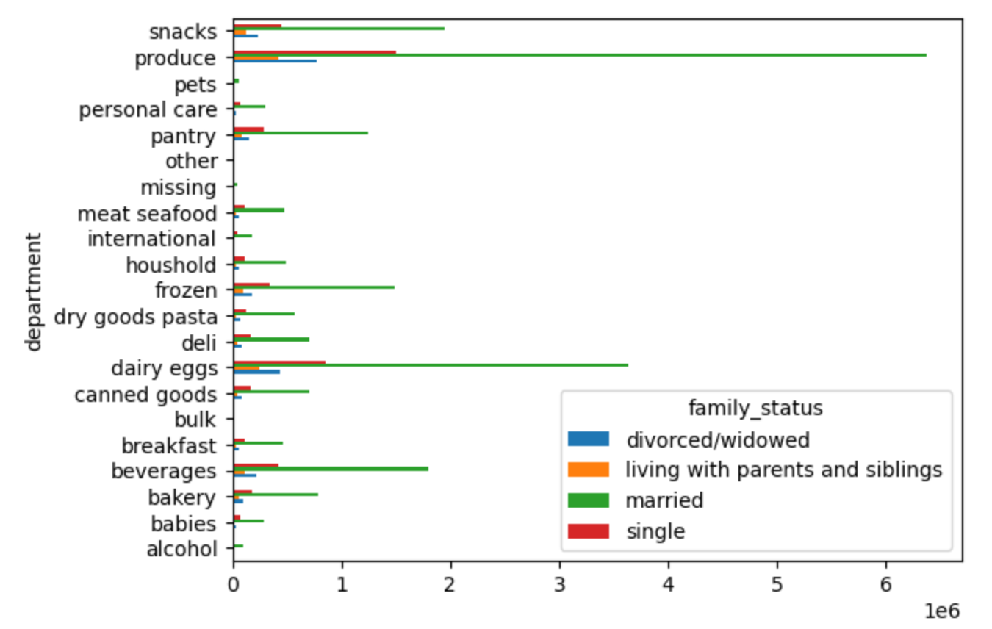

24. Number of orders placed by customers by department and number of children
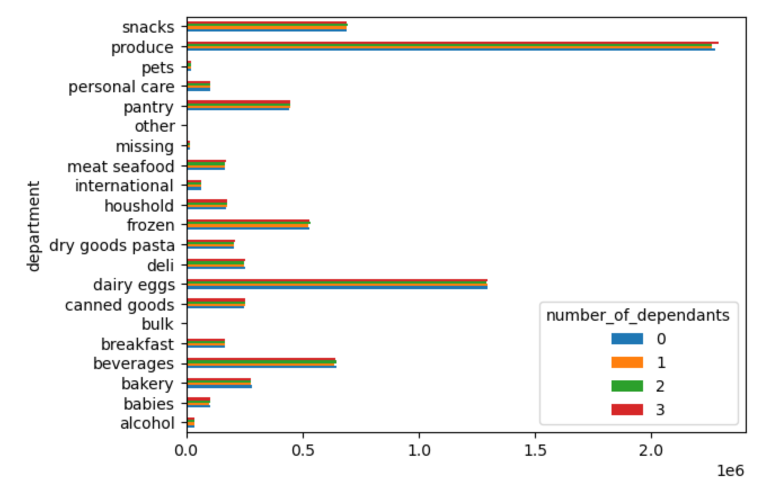

25. Number of orders placed by customers by department and time of day
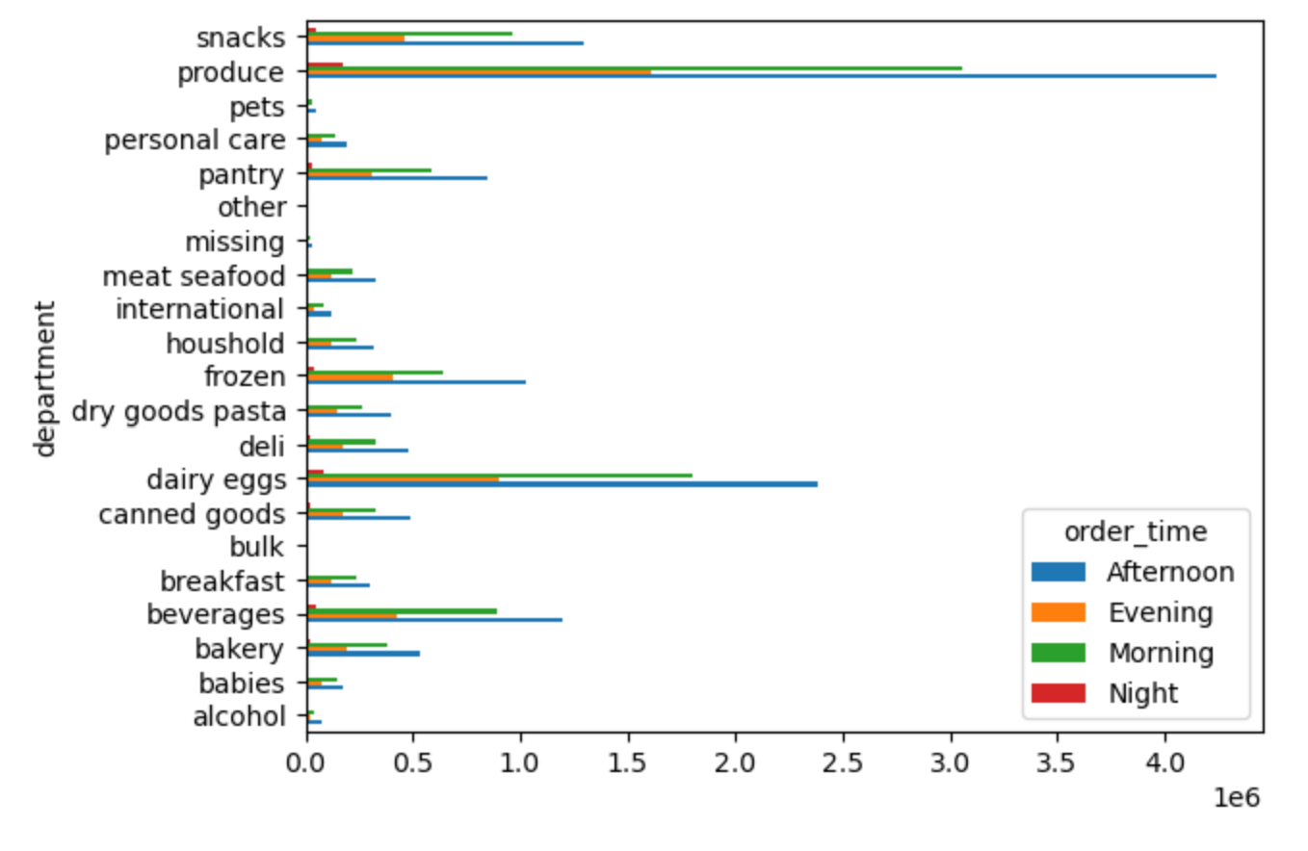

26. Number of orders placed by customers by department and day of week

7. Recommendations
 |  | Title page

Recommendations

In this tab you should include any recommendations you would made to Instacart in terms of their marketing strategy based on the questions posed in the brief. Every key question has been covered in the Tasks of the Exercises - here you need to add an item - a visualization or table/crosstable that is showing the answer in the data, accompanied by a comment from you. Please, list the questions below and add the answer underneath.

Question 1
 | The sales team need to know what the busiest days of the week and hours of the day are (i.e. the days and times with the most orders) in order to schedule ads at times when there are fewer orders.

Answer
 | The days with the highest number of orders are Saturday and Sunday. The busiest hours of the day are between 9am and 4pm.

Recommendations
 | The ads should be scheduled during the weekdays in the afternoon as of 4pm until early morning 9am.

Question 2
 | The sales team also want to know whether there are particular times of the day when people spend the most money, as this might inform the type of products they advertise at these times.

Answer
 | During the night hours (0-6h) the average prices are high, which can be driven by the small number of orders places. We can assume that the small number of customers placing orders during the night order more expensive products on average.

Recommendations
 | Even though on average the products with the highest prices are purchased during nighttime, this does not mean that the highest revenues are created during this time. It would be good to conduct a more detailed analysis in order to see when the high price products are ordered.

Question 3
 | Instacart has a lot of products with different price tags. Marketing and sales want to use simpler price range groupings to help direct their efforts.

Answer
 | The prices can be split in 3 groups: low-range products (< =5), mid-range products (>5 & <=15) and high-range products (>15). Mid-range products are the ones which are ordered the most and high-range products - the least.

Recommendations
 | Splitting the products into 3 price categories will be easier for the marketing and sales teams to streamline their campaigns

Question 4
 | Are there certain types of products that are more popular than others? The marketing and sales teams want to know which departments have the highest frequency of product orders.

Answer
 | The produce department is the most popular department among the Instacart consumers. It is followed by: dairy/eggs, snacks and beverages. On the other hand, the least popular products are: bulk, pets, alcohol and international.

Recommendations
 | The recommendation would be to check the cost and revenues on the least popular products to see if there are profitable enough to be still listed.

Question 5
 | The marketing and sales teams are particularly interested in the different types of customers in their system and how their ordering behavior differ. For example: What's the distribution among users in regards to their brand loyalty (i.e. how often do they return to Instacart?)

Answer
 | 33.2 % of orders are placed by the loyal customers, 51.3% - by regular customers and 15.5% by new customers.

Recommendations
 | The new customers place quite a lot of orders on the app. It means that Instacart is attractive to potential new customers and marketing and sales team should work on getting new customers.

Question 6
 | Are there differences in ordering habits based on a customer's loyalty status?

Answer
 | The loyal customers place their orders every 5 days on average, the regular customers - every 10 days and the new customers - every 18 days.

Recommendations
 | Even though loyal customers place their orders very often, their average spend on order (10.4) is much lower than the one of new customers (13.4). It is true that in total the loyal customers generate the biggest revenue, but by attracting new customers, who on average spend more, might bring more revenue.

Question 7
 | Are there differences in ordering habits based on a customer's region?

Answer
 | The highest number of orders is placed by customers located in the South region, followed by West and Midwest (with similar number of orders).

Recommendations
 | Since the lowest number of orders come from the North East region, it would be good to see if there are any particular concurrent in the area and perhaps increase the marketing campaigns in this region.

Question 8
 | Is there a connection between age and family status in terms of ordering habits?

Answer
 | Most of the orders are placed by married people, however the number of children has no effect on the ordering habits. In terms of age, Baby Boomers generation is the one which places the most orders. Millennials and Gen X are slightly behind.

Recommendations
 | Gen Z is still a young generation, but with a lot of future potential. The marketing should aim to get more customers from this generation and place campaigns which will make them order more.

Question 9
 | What different classifications does the demographic information suggest? Age? Income? Certain types of goods? Family status?

Answer
 | We already know that the number of children has no effect on customer behavior. Family status, age, income - this has an impact on the behavior. From the goods perspective, as already mentioned before, there are certain departments which should be looked at closely to see if they are making a loss or profit.

Recommendations
 | The most orders are placed by customers with medium income. However, the customers with upper income levels tend to place more expensive orders at a time. If Instacart would be able to get more new customers from this income group (or make them place their orders more often), it could result in a higher total revenue.

Question 10
 | What differences can you find in ordering habits of different customer profiles? Consider the price of orders, the frequency of orders, the products customers are ordering, and anything else you can think of.

Answer
 | Looking at the ordering behavior by product type and by family status of the customer, we can see that the behavior is quite different. Married customers tend to buy more produce than other customers. The same is true for dairy/eggs, snacks, beverage and frozen.

Recommendations
 | Perhaps single people do not need so many snack and beverage, but they could use more produce. Instacart could launch a campaign to e.g. eat more healthy and eat more fruits and veggies.

